Forside
TIPPSYLINDERE

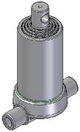

 | Kule/Vippetapper | Hull/Vippetapper | Hull/Vippetapper nede | Kule/Kule | Hull/Hull

TILBEHØR |  |  |  |  | Klikk på ønsket produkt for å komme til underside.
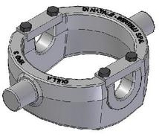
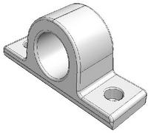
 |  |  |  |  | For tippsylindere - finn ønsket slaglengde og kapasitet.
 |  |  |  |  | Klikk på varenummer for å komme til
 |  |  |  |  | produkt/underlag/nettbutikk.

 | Vugger | Holdere | Kuleseter | Nipler

